Task summary
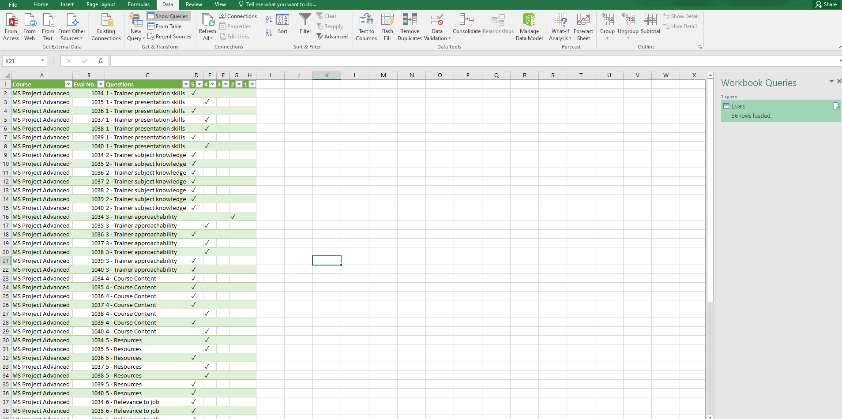
Query Editor

Taksks:
1. Import file "Evaluations MS Project.xlsx"
2. Delete the top 6 rows
3. Set 1st row as header
4.Replace null in Course and Eval Num columns, filter out Questions Column which has field is null or Questions
5.Drop duplicates
6.Arrange Question & Questions No columns in ascending order
7. Save Changes

Hướng dẫn làm bài

Import files

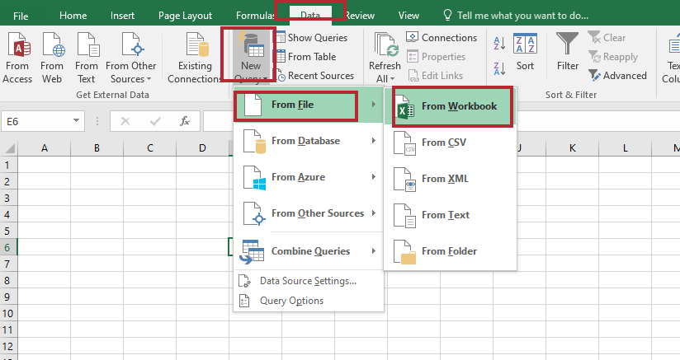

Remove rows

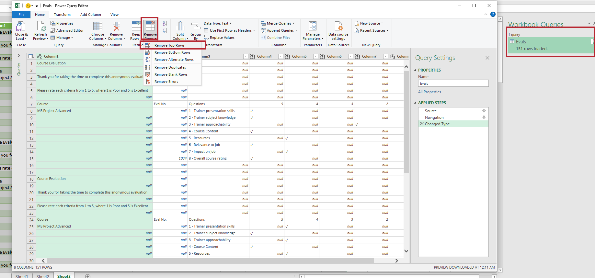

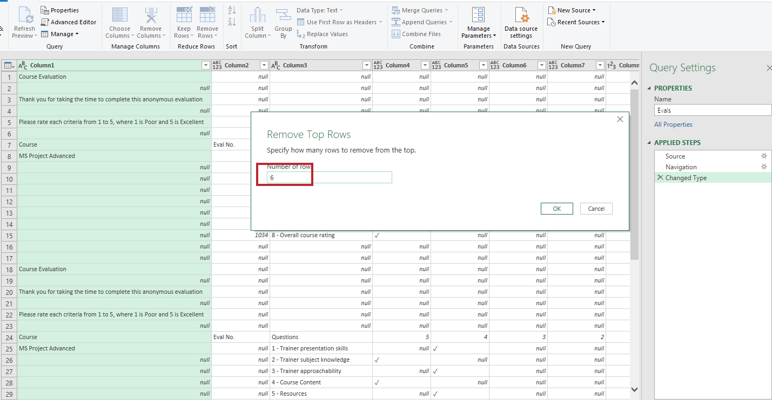

Create headers
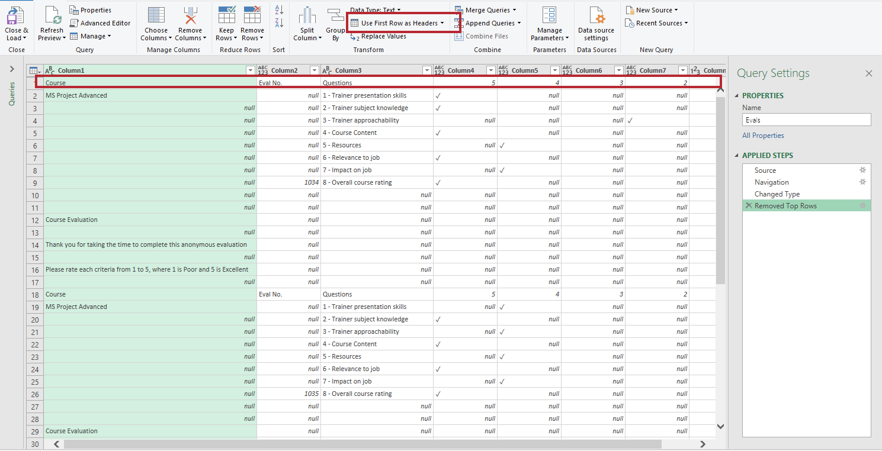

Kết quả:
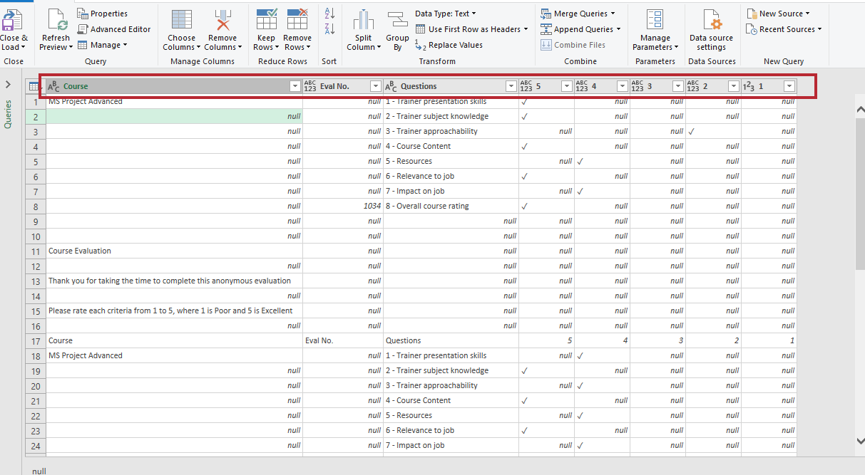

Fill out null values
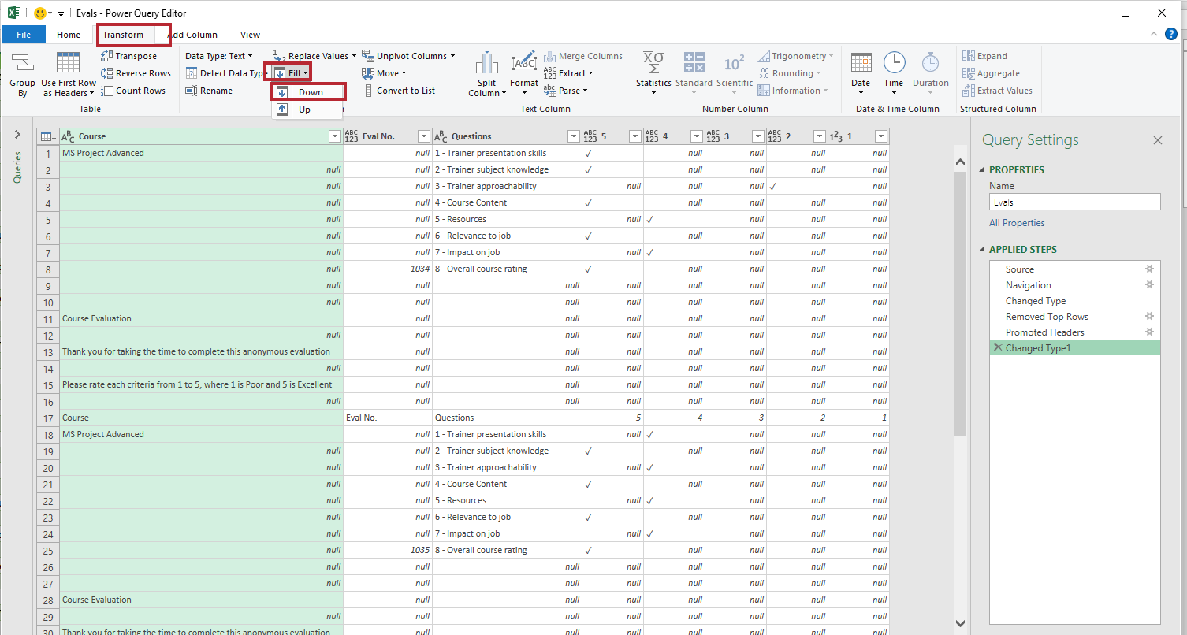

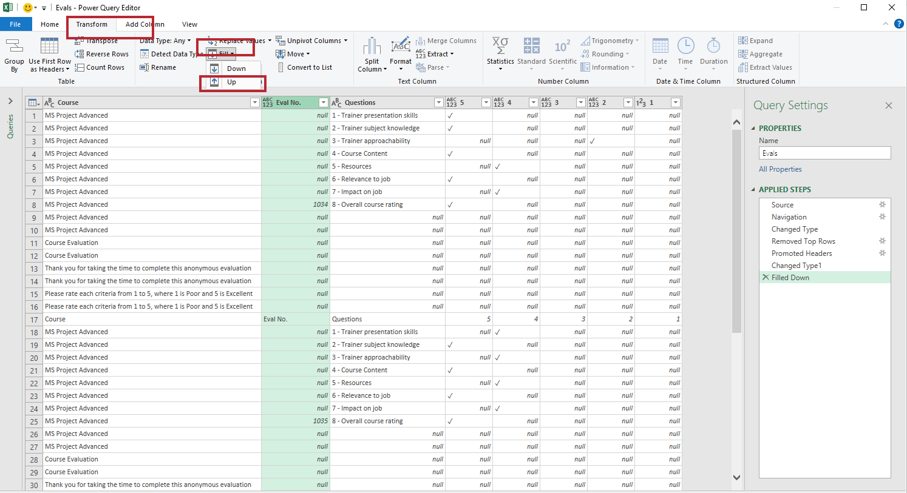

Filter out null & Questions value in Questions column
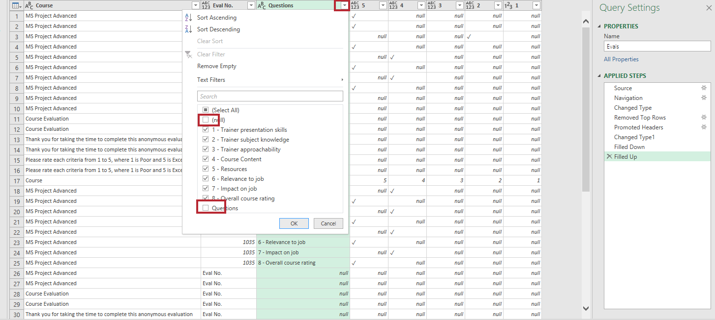

Hướng dẫn yêu cầu 5: Đầu tiên bạn nhấn tổ hợp phím Ctril + A sau đó chọn vào Remove Rows -> Remove Duplicates
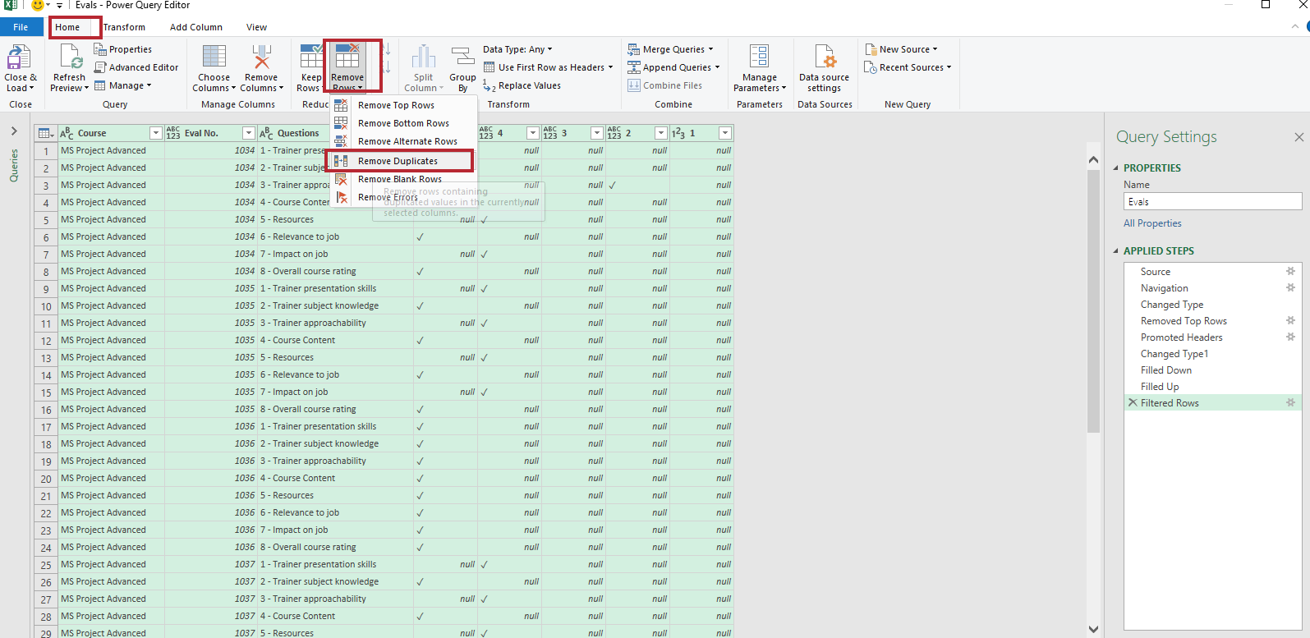

Arrange Questions and Eval No. columns in ascending order

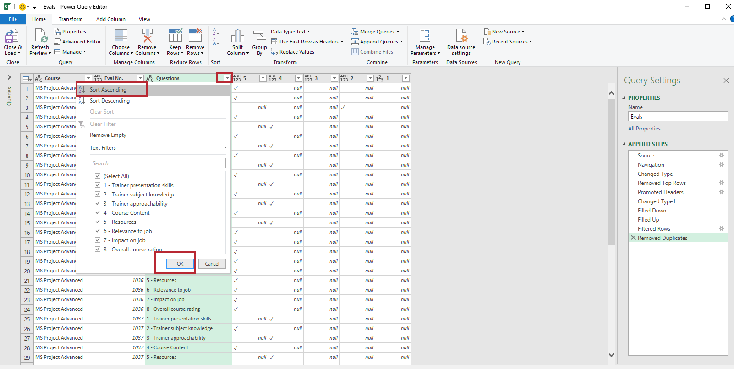

Sắp xếp cột Eval No. theo thứ tự tăng dần:

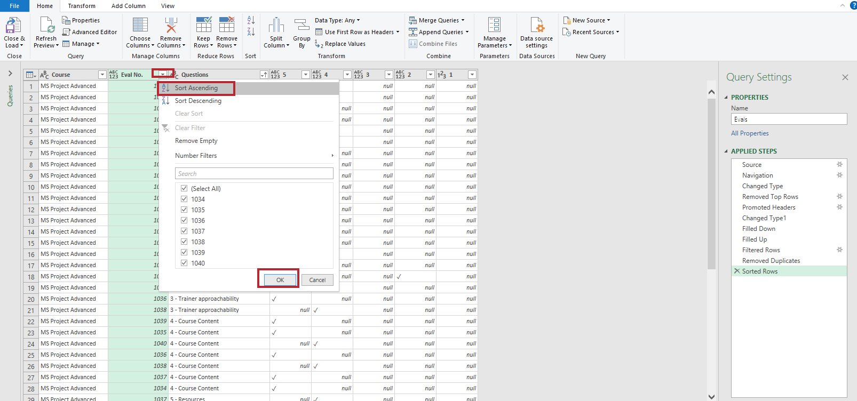

Save files
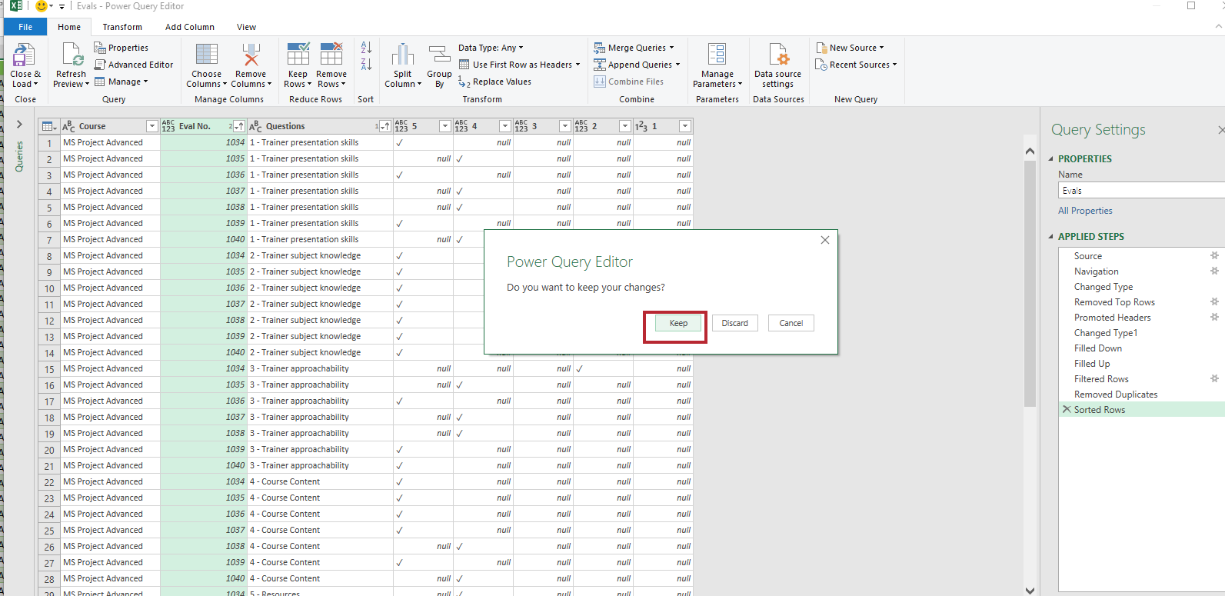

Kết quả cuối cùng:

